Sheet2
Batch | rate140.rre
Evolution 600 | 161008
Sample | Sample001 | [BnO]=10.82 mM | [H2O2]=73.42 mM
[H2O2]=73.42 mM, pH=9.23, [phosphate]=75 mM
0 | 0 | 0
60 | 0 | 0
120 | 0.001 | 0.00123
180 | 0.002 | 0.00246
240 | 0.002 | 0.00246
300 | 0.003 | 0.00369
360 | 0.003 | 0.00369
420 | 0.004 | 0.00492
480 | 0.004 | 0.00492
540 | 0.006 | 0.00738
600 | 0.006 | 0.00738
660 | 0.008 | 0.00984
720 | 0.009 | 0.01107 |  |  | 900
780 | 0.011 | 0.01353
840 | 0.013 | 0.01599
900 | 0.016 | 0.01968
960 | 0.019 | 0.02337
1020 | 0.023 | 0.02829
1080 | 0.026 | 0.03198
1140 | 0.028 | 0.03444
1200 | 0.032 | 0.03936
1260 | 0.035 | 0.04305
1320 | 0.036 | 0.04428
1380 | 0.04 | 0.0492
1440 | 0.045 | 0.05535
1500 | 0.05 | 0.0615

[BnOH]=10.82 mM, pH=9.23, [phosphate]=75 mM

 |  |  |  | 25

Sample | Sample002 | [BnO]=3.03 mM
0 | -0.01 | 0
60 | -0.01 | 0
120 | -0.01 | 0
180 | -0.009 | 0.00123
240 | -0.008 | 0.00246
300 | -0.007 | 0.00369
360 | -0.006 | 0.00492
420 | -0.004 | 0.00738
480 | -0.002 | 0.00984
540 | 0.001 | 0.01353
600 | 0.003 | 0.01599
660 | 0.008 | 0.02214
720 | 0.011 | 0.02583
780 | 0.015 | 0.03075
840 | 0.02 | 0.0369
900 | 0.026 | 0.04428
960 | 0.032 | 0.05166
1020 | 0.03 | 0.0492
1080 | 0.03 | 0.0492
1140 | 0.031 | 0.05043
1200 | 0.037 | 0.05781
1260 | 0.044 | 0.06642
1320 | 0.051 | 0.07503
1380 | 0.057 | 0.08241
1440 | 0.061 | 0.08733
1500 | 0.063 | 0.08979

Sheet1
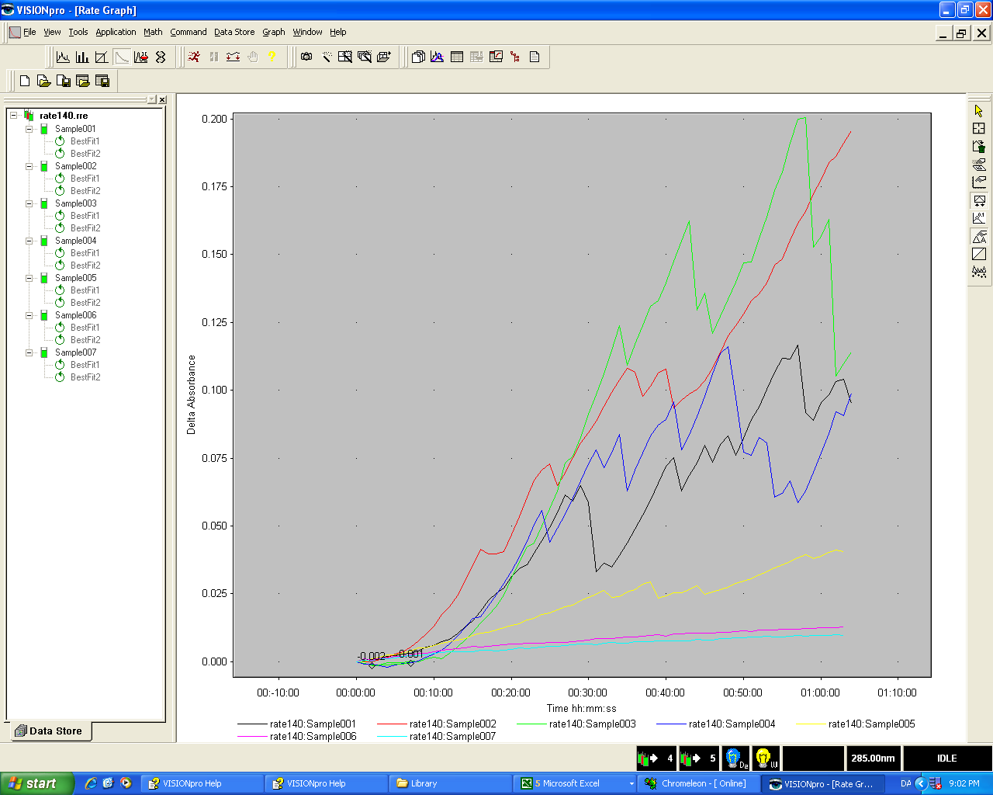
exp. # | 140 |  |  |  | Buf 1. | Na4P2O7*10H2O
substrate | BnOH |  |  |  | M.W. [g/mol] | 446.0600
method: | BnOH_7kuv_8h |  |  |  | Buf 2. | Na2HPO4*2H2O
dt [s] | 60 |  |  |  | M.W. [g/mol] | 156.0200
abs [nm] | 285 |  |  |  | Calculator a.
e [U/mM] | 1.23 |  |  |  | target vol. [ml] | target M [mmol/l] | Buf. [g]
T | 25 C |  |  |  | 100.0000 | 1000.0000 | 44.6060
 |  |  |  |  | Stam 1:
stam 1: |  |  |  |  | Buf 1. [g] | 30.1495
M.W. [g/mol] | 108.14 |  |  |  | final vol. [ml] | 500.000
[g] | 0.2924 |  |  |  | [Buf 1] mmol/l | 135.1814
final Vol. [ml] | 100 |  |  |  | Stam 2:
[sub] mmol/L | 27.039 |  |  |  | Buf 2. [g] | 39.0052
D2O % | 0 |  |  |  | final vol. [ml] | 500.000
opløsning 1: |  |  |  |  | [Buf 2] mmol/l | 500.0026
# | Stam. [ml] | final vol. [ml] | mmol/L |  | Calculator b.
a1 | 25.000 | 25.000 | 27.039 |  | target vol. [ml] | target M [mmol/l] | Stam 1 ml
b1 | 7.000 | 25.000 | 7.571 |  | 100.0000 | 100.0000 | 73.9747
c1 | 2.000 | 25.000 | 2.163 |  |  |  | Stam 2 ml
d1 | 0.500 | 25.000 | 0.541 |  |  |  | 19.9999
D2O % | 0.000 |  |  |  | Stam 1+2:
 |  |  |  |  | Vol. Buf 1 [ml] | 74.000
Stam 2: | 30 % H2O2 |  |  |  | Vol. Buf 2 [ml] | 20.000
density g/L | 1110.0000 |  |  |  | final vol. [ml] | 100.000
mmol/l | 9789.8850 |  |  |  | [Buf 1] mmol/l | 100.0342
Stam [ml] | 1.000 |  |  |  | [Buf 2] mmol/l | 100.0005
solvent vol. [ml] | 0.000 |  |  |  | Fortynding |  | pH before run.
[H2O2] mmol/l | 9789.8850 |  |  |  | Stam 1+2 [ml] | 9.000 | 9.19
D2O % | 0.0000 |  |  |  | final vol. [ml] | 12.000 | pH after run.
opløsning 2: |  |  |  |  | [buf 1+2] mmol/l | 150.0260 | 9.26
# | Stam. [ml] | final vol. [ml] | mmol/L
a2 | 1.000 | 10.000 | 978.988 |  | Solvent:
b2 | 0.500 | 10.000 | 489.494 |  | H2O [ml] | 0.0000
c2 | 0.100 | 10.000 | 97.899 |  | D2O [ml] | 1.0000
d2 | 0.050 | 10.000 | 48.949 |  | D2O % | 0.0000
D2O % | 0.000
 |  |  |  |  | Enz:
 |  |  |  |  | g/mol | 1054.2900
 |  |  |  |  | g | 0.0058
 |  |  |  |  | ml | 4.000
 |  |  |  |  | mmol/l | 1.3753
 |  |  |  |  | D2O % | 0.0000

Kuv. | solvent | Enz [ml] | Buf [ml] | Sub [ml] | H2O2 [ml] | Vol [ml] | [sub] mmol/l | [H2O2] mmol/l | [Enz] mmol/l | [buf] mmol/l | [D2O]%
Kuv. 1 (a1,a2) | 0.000 | 0.025 | 0.500 | 0.400 | 0.075 | 1.000 | 10.816 | 73.424 | 0.034 | 75.013 | 0.000
Kuv. 2 (b1,a2) | 0.000 | 0.025 | 0.500 | 0.400 | 0.075 | 1.000 | 3.028 | 73.424 | 0.034 | 75.013 | 0.000
Kuv. 3 (c1,a2) | 0.000 | 0.025 | 0.500 | 0.400 | 0.075 | 1.000 | 0.865 | 73.424 | 0.034 | 75.013 | 0.000
Kuv. 4 (d1,a2) | 0.000 | 0.025 | 0.500 | 0.400 | 0.075 | 1.000 | 0.216 | 73.424 | 0.034 | 75.013 | 0.000
Kuv. 5 (a1,b2) | 0.000 | 0.025 | 0.500 | 0.400 | 0.075 | 1.000 | 10.816 | 36.712 | 0.034 | 75.013 | 0.000
Kuv. 6 (a1,c2) | 0.000 | 0.025 | 0.500 | 0.400 | 0.075 | 1.000 | 10.816 | 7.342 | 0.034 | 75.013 | 0.000
Kuv. 7 (a1,d2) | 0.000 | 0.025 | 0.500 | 0.400 | 0.075 | 1.000 | 10.816 | 3.671 | 0.034 | 75.013 | 0.000
Ref. 1 (a1,a2) | 0.050 | 0.000 | 1.000 | 0.800 | 0.150 | 2.000 | 10.816 | 73.424 | 0.000 | 75.013 | 0.000
Ref. 2 (b1,a2) | 0.050 | 0.000 | 1.000 | 0.800 | 0.150 | 2.000 | 3.028 | 73.424 | 0.000 | 75.013 | 0.000
Ref. 3 (c1,a2) | 0.050 | 0.000 | 1.000 | 0.800 | 0.150 | 2.000 | 0.865 | 73.424 | 0.000 | 75.013 | 0.000
Ref. 4 (d1,a2) | 0.050 | 0.000 | 1.000 | 0.800 | 0.150 | 2.000 | 0.216 | 73.424 | 0.000 | 75.013 | 0.000
Ref. 5 (a1,b2) | 0.050 | 0.000 | 1.000 | 0.800 | 0.150 | 2.000 | 10.816 | 36.712 | 0.000 | 75.013 | 0.000
Ref. 6 (a1,c2) | 0.050 | 0.000 | 1.000 | 0.800 | 0.150 | 2.000 | 10.816 | 7.342 | 0.000 | 75.013 | 0.000
Ref. 7 (a1,d2) | 0.050 | 0.000 | 1.000 | 0.800 | 0.150 | 2.000 | 10.816 | 3.671 | 0.000 | 75.013 | 0.000
Sum: | 0.3500 | 0.1750 | 10.5000 | 8.4000 | 1.5750 | 17.0000
Sum*9: | 3.1500 | 1.5750 | 94.5000 | 75.6000 | 14.1750 | 153.0000 |  | Procedure

Rates: | [Sub] mM | [H2O2] mM | V 10^6[U/dt] | V 10^6[mM/s] | V/E 10^6[1/s] |  |  | Fitted values: |  | 95 % conf.
Kuv. 1 | 10.82 | 73.42 | 5314.85 | 72.02 | 2094.53 |  |  | Km(H2O2) [mM] | 0.00
Kuv. 2 | 3.03 | 73.42 | 4794.98 | 64.97 | 1889.66 |  |  | Vmax(H2O2) 10^6[1/s] | 0.00
Kuv. 3 | 0.87 | 73.42 | 6797.14 | 92.10 | 2678.69 |  |  | C(H2O2) [mM] | 0.00
Kuv. 4 | 0.22 | 73.42 | 4226.91 | 57.28 | 1665.78 |  |  | Km(Sub) [mM] | 0.00
Kuv. 5 | 10.82 | 36.71 | 1140.79 | 15.46 | 449.57 |  |  | Vmax(Sub) 10^6[1/s] | 0.00
Kuv. 6 | 10.82 | 7.34 | 130.19 | 1.76 | 51.30 |  |  | C(Sub) [mM] | 0.00
Kuv. 7 | 10.82 | 3.67 | 112.11 | 1.52 | 44.18 |  |  | pH | 9.23
 |  |  |  |  |  |  |  | [Buf] mmol/L | 75.01

 | Fitting vectors: |  |  |  | Fitting vectors:
 | [Sub] mM | 10.82 |  |  | [H2O2] mM | 73.42
 | Kuv # | [H2O2] mM | V/E 10^6[1/s] |  | Kuv # | [Sub] mM | V/E 10^6[1/s] |  | 0.0828
 | 7 | 3.67 | 44.18 |  | 4 | 0.22 | 0.00
 | 6 | 7.34 | 51.30 |  | 3 | 0.87 | 0.00
 | 5 | 36.71 | 449.57 |  | 2 | 3.03 | 0.00
 | 1 | 73.42 | 2094.53 |  | 1 | 10.82 | 0.00

 | Kinetics Experiment - 140
 | Conc. Units
 | Raw Data
 | Sample | [S] | [I] | V | Use
 | Sample001 | 0.0000 | 0.0000 | 0.0053149 | Yes
 | Sample002 | 0.0000 | 0.0000 | 0.0047950 | Yes
 | Sample003 | 0.0000 | 0.0000 | 0.0067971 | Yes
 | Sample004 | 0.0000 | 0.0000 | 0.0042269 | Yes
 | Sample005 | 0.0000 | 0.0000 | 0.0011408 | Yes
 | Sample006 | 0.0000 | 0.0000 | 0.0001302 | Yes
 | Sample007 | 0.0000 | 0.0000 | 0.0001121 | Yes
 | Sample008 | 0.0000 | 0.0000 | 0.0000000 | No

 | rates are taken from linear segments on the progress curve from ca. 00:20 to 01:00

 |  |  |  |  | +

